PO 6158
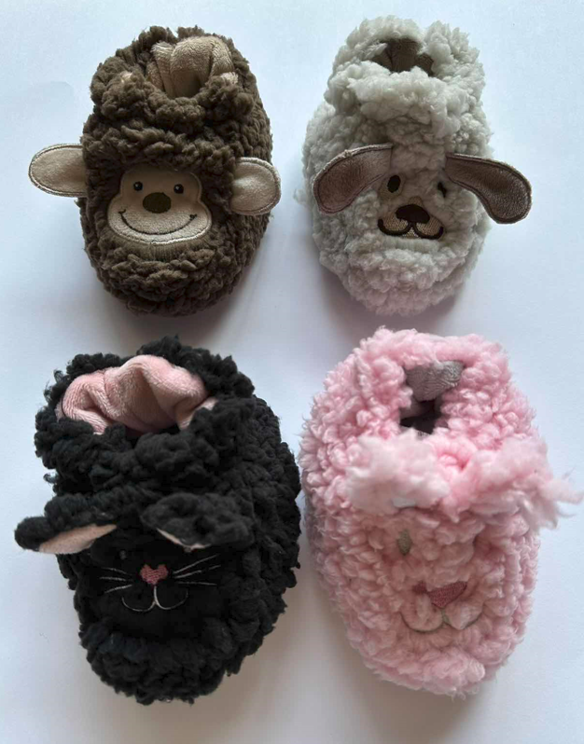
 |  |  |  |  | PO# | PO 6158
 |  |  | Inc. | BDI-USA TODDLER | PO DATE: | 2023-01-17

 |  |  |  |  | PAGE 1 OF | 8

ISSUED TO: | JIANGYIN KAITZHIMENG CLOTHING FACTORY |  | DELIVERY: | WHEN READY - KELLY WILL ADVISE | CUST. PO REF # | n/a
 |  |  |  | FOB SHANGHAI
ATTN: | MR. FEI |  |  |  | NEW | X
 |  |  | SPECS: | AS SAMPLED AND APPROVED TODDLER SHERPA ANIMAL BOOTIES COLLECTION | REVISED OR REORDER DATE

CUSTOMER: | BDI/USA |  | SHIP BY: | OCEAN
 |  |  |  | TODDLER SNOOZIES
SHIP TO: | NORFOLK/SEATTLE |  |  | TODDLER SHERPA ANIMAL BOOTIES
 |  |  | TOTAL PAIRS | STYLE: t sherpa booties
PATTERN Name | PATTERN # | COLOR | PCS | DESCRIPTION | SIZES | COST/RMB | TERMS | TOTAL COST/RMB
DK BROWN MONKEY | TBOOT-MONK | DK BROWN | 1,800 | Shell: 280gsm sherpa fabric Lining : solid plush Sole : 160 gsm suede with bigger dot silica gel non - skid and printing ”SNOOZIES" & PLASTIC INSERT | S to XL | 11.98 | FOB | 21,564.00
LT BROWN PUPPY | TBOOT-PUPPY | LT BROWN | 1,800 | Shell: 280gsm sherpa fabric Lining : solid plush Sole : 160 gsm suede with bigger dot silica gel non - skid and printing ”SNOOZIES" & PLASTIC INSERT | S to XL | 11.98 | FOB | 21,564.00
BLACK CAT | TBOOT-BCAT | BLACK | 1,800 | Shell: 280gsm sherpa fabric Lining : solid plush Sole : 160 gsm suede with bigger dot silica gel non - skid and printing ”SNOOZIES" & PLASTIC INSERT | S to XL | 11.98 | FOB | 21,564.00
PINK BUNNY | TBOOT-BUNNY | PINK | 1,800 | Shell: 280gsm sherpa fabric Lining : solid plush Sole : 160 gsm suede with bigger dot silica gel non - skid and printing ”SNOOZIES" & PLASTIC INSERT | S to XL | 11.98 | FOB | 21,564.00
TOTALS |  |  | 7,200 |  |  |  |  | 86,256.00
SPECIAL INSTRUCTIONS: |  |  |  | SCALE 1-2-2-1
See Spec sheet for details

Be sure that heel specs are 6cm in height and match on each pair
Be sure that 380GSM sherpa is used and weighs correctly
Please be sure that the size specs for Small to XL are used.

